Normal Distribution
Simulate Data in Google Sheets |  |  | Proportion%
Empirical Rules |  | +/- 1SD | 68.2
 |  | +/- 2SD | 95
 |  | +/- 3SD | 99.7

194.6 | MEAN | 198.9 |  | FALSE
202.1 | SD | 14.8 |  | % Propotion
211.7 | +/- 1SD | 184.2 | 213.7 | 71.00%
203.7 | +/- 2SD | 169.4 | 228.4 | 92.00%
205.2 | +/- 3SD | 154.6 | 243.2 | 98.00%
208.2 |  | Lower Bound | Upper Bound
214.9
191.7
205.3
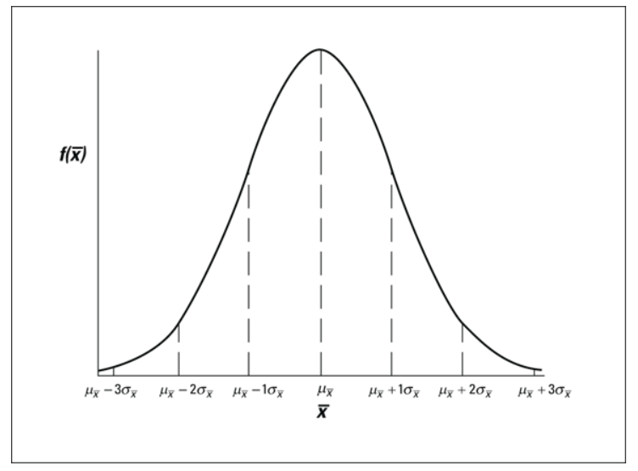
210.0
200.0
192.0
186.0
191.8
204.3
165.1
209.5
183.2
196.5
205.1
203.7
224.0
187.0
195.9
199.5
234.6
204.7
177.8
203.6
194.1
184.9
197.1
178.5
188.6
189.1
174.7
224.7
188.5
199.3
192.9
189.4
198.7
207.9
188.4
199.8
227.3
208.4
216.1
195.9
203.6
185.2
212.0
218.5
207.1
190.5
194.2
203.7
187.4
179.9
200.3
193.3
191.5
195.2
222.3
202.0
214.1
174.2
192.3
195.8
206.3
204.9
190.3
229.7
178.1
198.6
203.2
205.6
169.1
181.3
213.1
179.6
214.9
210.7
206.1
209.4
222.5
200.8
192.2
176.4
192.6
185.4
216.0
229.9
208.7
222.1
163.3
204.7
199.2
166.0
191.0

Confidence Interval

We want to estimate Rating of TENET film among those who have watched it this year.

 | Rating
 | 7.5 | Mean | 7.606
 | 8.0 | SD | 0.728
 | 6.8 | N | 50.000
 | 8.1
 | 7.4 |  | Confidence Interval
 | 7.8 | 95% | Lower Bound | Upper Bound
 | 8.5 |  | 7.404 | 7.808
 | 8.4
 | 8.7
 | 8.3 | Margin Error | 0.2018
 | 7.5
 | 6.8 | SE (standard error) | 0.1029
 | 8.7 | Margin Error | 0.2018
 | 7.4
 | 6.2
 | 9.0
 | 7.3
 | 7.0
 | 5.7
 | 6.9
 | 7.8
 | 7.2
 | 8.3
 | 6.8
 | 7.5
 | 7.5
 | 5.7
 | 7.9
 | 8.6
 | 7.9
 | 7.0
 | 8.5
 | 7.2
 | 7.2
 | 8.3
 | 7.8
 | 7.6
 | 7.3
 | 6.9
 | 8.2
 | 8.2
 | 8.2
 | 8.0
 | 7.5
 | 7.3
 | 7.7
 | 8.2
 | 6.7
 | 7.4
 | 7.8

Paired T-Test


 |  | One month of special training |  |  | Paired T-Test | เทียบค่าเฉลี่ยคนสองกลุ่ม สองกลุ่มนี้คนๆเดียวกัน แต่ทำคนละช่วงเวลา

 | Before |  |  | After
Mean | 65 |  | Mean | 72
SD | 5 |  | SD | 3

Student_ID | Before | After | Diff |  | Paired T-TEST
1 | 65.13838792 | 68.17479284 | 3.036404924 |  | Test equality of variances
2 | 61.32168271 | 73.35295178 | 12.031269071 |  | F.Test
3 | 61.85633768 | 69.2964558 | 7.4401181204
4 | 56.59536387 | 69.44728909 | 12.851925219 |  | Test equality of means
5 | 65.30860166 | 72.46917104 | 7.160569378 |  | T.Test | Reject HO
6 | 64.0467349 | 70.47836495 | 6.4316300501
7 | 65.15401151 | 69.66651486 | 4.5125033476
8 | 62.25892173 | 69.40107717 | 7.1421554333 |  | AVG_DIFF | 6.826069048
9 | 63.28842039 | 68.29911728 | 5.0106968919 |  | TRUE
10 | 64.96727923 | 74.74053341 | 9.7732541797
11 | 70.52035112 | 69.93867303 | -0.58167808902 |  | H0= mean Before = mean After
12 | 61.29993719 | 71.98476679 | 10.684829609 |  | H1 Mean Before != mean After
13 | 57.15728712 | 73.33751007 | 16.18022295 |  | If P-Value <= 0.05 Reject HO
14 | 65.67444656 | 76.27463476 | 10.6001882
15 | 64.75941835 | 75.07839708 | 10.318978728
16 | 54.98869854 | 67.74338965 | 12.754691103
17 | 75.37059788 | 68.54596136 | -6.8246365233
18 | 60.5312689 | 73.39167577 | 12.860406872
19 | 68.96612555 | 75.28030831 | 6.3141827623
20 | 68.54525936 | 73.9939804 | 5.4487210334
21 | 67.83916428 | 69.1259666 | 1.2868023186
22 | 70.98732183 | 69.59333655 | -1.3939852781
23 | 69.10790189 | 70.08478315 | 0.97688126128
24 | 64.35901953 | 72.75847731 | 8.3994577868
25 | 66.79575865 | 72.81960314 | 6.023844491
26 | 61.52045694 | 72.84743971 | 11.326982775
27 | 76.89387073 | 72.90540873 | -3.9884619919
28 | 67.74584924 | 73.28105841 | 5.535209177
29 | 67.80312333 | 68.78348544 | 0.98036211328
30 | 62.38409757 | 68.86841535 | 6.4843177848
31 | 63.29669815 | 75.35937403 | 12.062675887
32 | 54.18303374 | 72.45900563 | 18.275971898
33 | 62.82073591 | 69.67765474 | 6.856918831
34 | 69.64793345 | 75.57569646 | 5.9277630057
35 | 60.05347746 | 68.96811888 | 8.9146414259
36 | 71.23951562 | 70.46645417 | -0.77306145396
37 | 75.50815147 | 72.86826792 | -2.6398835495
38 | 62.87296435 | 74.31040879 | 11.437444442
39 | 67.44475509 | 65.8218878 | -1.6228672941
40 | 59.30415275 | 70.74422068 | 11.440067934
41 | 63.39912867 | 70.85726322 | 7.4581345543
42 | 60.78125706 | 71.62056145 | 10.839304389
43 | 59.64936537 | 75.16376563 | 15.514400256
44 | 67.61076249 | 69.86658929 | 2.2558268032
45 | 59.55051426 | 70.65467737 | 11.104163115
46 | 59.83509717 | 74.06366247 | 14.228565302
47 | 67.26493515 | 72.5921195 | 5.3271843494
48 | 71.15480835 | 72.56926312 | 1.414454769
49 | 68.21583026 | 71.56503409 | 3.3492038284
50 | 61.27855477 | 72.433255 | 11.154700231

